Steering Weight
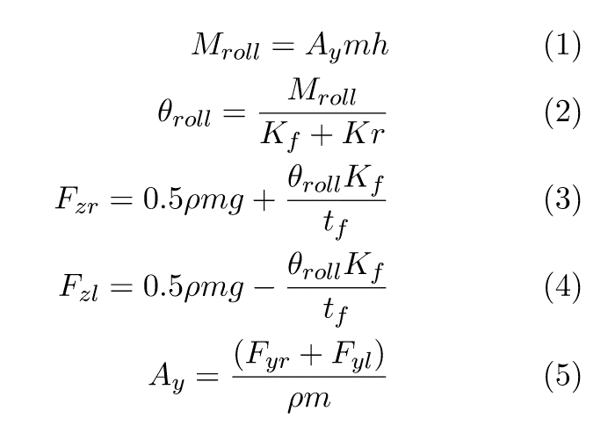
Slip Angle Calculations |  |  |  |  |  |  |  | Steering Weight Calculations

Parameters | Symbol | Value |  |  |  |  | - | Mechanical Trail [m] | 0.005
Car Mass [kg]: | mc | 240 |  |  |  |  |  | Steering Arm Length [m] | 0.06 | <-- Refer to tyre data using the calculated slip angles
Driver Mass [kg]: | md | 75 |  |  | 3574.0530758 |  |  | Steering Wheel Radius [m] | 0.13
Aero Downforce [kg]: | ma | 0 |  | <- Changed to 0 |  |  |  | Rack Speed [mm/rev] | 87.9
Weight Dist [% Front]: | ρ | 0.55 |  |  |  |  |  | Ideal Steering Angle For Min Radius [o] | 110
CG Height [m]: | h | 0.3 |  |  |  |  |  | Rack Angle Limit (Lock-Lock) [o] | 260
Front Track [m]: | tf | 1.2 |  |  |  |  |  | Pinion Radius [m] | 0.014
Lateral Acceleration [G] | Ay | 0.2 |  | <- Changed from 1.6 to 0.2 |  |  |  | Rack Position [mm/o] | 0.244167
Tyre Co-Efficient of Friction |  | 1.6 |  |  |  |  |  | Available Rack Travel (per side) [mm] | 31.74
Total Mass [kg] | m | 315 |  |  |  |  |  | Rack Travel For Ideal Steering Angle [mm] | 26.858333333
Weight Transfer [N] |  | 85 |  |  |  | Laden Wheel |  |  |  | Unladen Wheel
Laden Wheel Vertical Load [N] | Fzr | 935 |  |  | - | Pneumatic Trail [m] | 0.029 | <-- Refer to tyre data using the calculated vertical loads |  | Pneumatic Trail [m] | 0.012
Unladen Wheel Vertical Load [N] | Fzl | 765 |  |  | - | Mz | 50.85 |  |  | Mz | 20.80
Laden Wheel Lateral Load [N] | Fyr | 1496 |  |  |  | Tie Rod Force [N] | 847.53 |  |  | Tie Rod Force [N] | 346.71
Unladen Wheel Lateral Load [N] | Fyl | 1224 |  |  |  | Axial Tie Rod Angle [o] | 0.79 | <--Refer to the 'ackermann steering angles' solidworks model |  | Axial Tie Rod Angle [o] | 3.21
 |  |  |  |  |  | Off-Axial Tie Rod Angle [o] | 4.75 |  |  | Off-Axial Tie Rod Angle [o] | 4.75
Laden Wheel Slip Angle | 4.75 |  | <-- Refer to tyre data using the calculated vertical loads |  |  | Rack Longitudinal (Mounting) Force [N] | 11.69 |  |  | Rack Longitudinal (Mounting) Force [N] | 19.41
Unladen Wheel Slip Angle | 4.75 |  |  |  |  | Rack Vertical (Mounting) Force [N] | 70.18 |  |  | Rack Vertical (Mounting) Force [N] | 28.67
 |  |  |  |  |  | Axial Rack Force [N] | 844.53 |  |  | Axial Rack Force [N] | 344.98
 |  |  |  |  |  |  |  | Total Rack Lateral Force [N] | 1189.5
Ackermann Calculations |  |  |  |  |  |  |  | Pinion Torque [Nm] | 16.6
 |  |  |  |  |  |  |  | Single Hand Steering Force [N] | 64.0
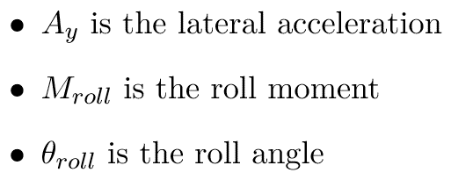
Minimum Corner Radius [m] | 3.6 | <-- Refer to 'ackermann corner' solidworks model |  |  |  |  |  | Single Hand Mass [kg] | 6.5
Wheelbase [m] | 1.548 |  |  |  |  |  |  | Steering Column Force [N} | 128.00764946 | <- Two hands
Toe Angle [o] | 0 |  |  |  |  |  |  | Torque [Nm] | 16.640994429 | ?
Laden Wheel Ackermann Angle [o] | 28.77 |  |  |  |  |  |  |  |  | Mz = moment of tyre's contact patch, and the steering axis
Unladen Wheel Ackermann Angle [o] | 38.42 |  |  |  |  | 0.7mm Shim for 0.5 deg of toe change (with 80mm steering arm)
Required Ackermann [%] | 100% | <--Refer to the 'ackermann steering angles' solidworks model |  |  |  | 381.14

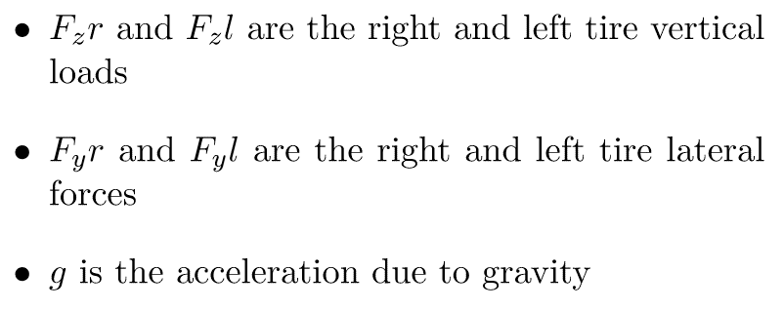

30o | 31.4 | 23.86?
31 | 31.4 | 23.62
33 | 31.4 | 23.2

Fy Pacejka Graphs
B_x | C_x | D_x | E_x | B_y | C_y | D_y | E_y
1.83736308 | 4.13736691 | 2.60654864 | 4.60421243 | -8.79292663 | -1.12447257 | -3.79255046 | 1.39676599

Tyre: | Goodyear - D2704 - 20.0x7.0-13
Rim Size: | 8
Pressure: | 12
Fy Title: | Fy vs. Sa - Goodyear - D2704 - 20.0x7.0-13 8 Rim (12psi)

 |  | 200 |  |  | 400 |  |  | 600 |  |  | 800 |  |  | 1000 |  |  | 1300
Slip Angle [deg]: | Slip Angle [rad]: | Fy_0 | G_y | Fy | Fy_0 | G_y | Fy | Fy_0 | G_y | Fy | Fy_0 | G_y | Fy | Fy_0 | G_y | Fy | Fy_0 | G_y | Fy
-10.00 | -0.175 | 513.593 | 0.43844747618 | 225.18370167 | 1027.187 | 0.43844747618 | 450.36740333 | 1540.780 | 0.43844747618 | 675.551105 | 2054.373 | 0.43844747618 | 900.73480666 | 2567.967 | 0.43844747618 | 1125.9185083 | 3338.357 | 0.43844747618 | 1463.6940608
-9.50 | -0.166 | 512.554 | 0.46223830225 | 236.92189302 | 1025.107 | 0.46223830225 | 473.84378605 | 1537.661 | 0.46223830225 | 710.76567907 | 2050.214 | 0.46223830225 | 947.68757209 | 2562.768 | 0.46223830225 | 1184.6094651 | 3331.598 | 0.46223830225 | 1539.9923047
-9.00 | -0.157 | 510.539 | 0.48742856983 | 248.85140035 | 1021.078 | 0.48742856983 | 497.70280069 | 1531.618 | 0.48742856983 | 746.55420104 | 2042.157 | 0.48742856983 | 995.40560138 | 2552.696 | 0.48742856983 | 1244.2570017 | 3318.505 | 0.48742856983 | 1617.5341022
-8.50 | -0.148 | 507.433 | 0.5140773356 | 260.85987017 | 1014.866 | 0.5140773356 | 521.71974035 | 1522.299 | 0.5140773356 | 782.57961052 | 2029.733 | 0.5140773356 | 1043.4394807 | 2537.166 | 0.5140773356 | 1304.2993509 | 3298.315 | 0.5140773356 | 1695.5891561
-8.00 | -0.140 | 503.092 | 0.5422299395 | 272.79135834 | 1006.183 | 0.5422299395 | 545.58271669 | 1509.275 | 0.5422299395 | 818.37407503 | 2012.367 | 0.5422299395 | 1091.1654334 | 2515.458 | 0.5422299395 | 1363.9567917 | 3270.096 | 0.5422299395 | 1773.1438292
-7.50 | -0.131 | 497.339 | 0.57191071369 | 284.43345104 | 994.678 | 0.57191071369 | 568.86690208 | 1492.017 | 0.57191071369 | 853.30035311 | 1989.356 | 0.57191071369 | 1137.7338042 | 2486.695 | 0.57191071369 | 1422.1672552 | 3232.703 | 0.57191071369 | 1848.8174317
-7.00 | -0.122 | 489.960 | 0.60311342979 | 295.50141649 | 979.920 | 0.60311342979 | 591.00283299 | 1469.880 | 0.60311342979 | 886.50424948 | 1959.840 | 0.60311342979 | 1182.005666 | 2449.800 | 0.60311342979 | 1477.5070825 | 3184.740 | 0.60311342979 | 1920.7592072
-6.50 | -0.113 | 480.693 | 0.63578907964 | 305.61927047 | 961.386 | 0.63578907964 | 611.23854095 | 1442.079 | 0.63578907964 | 916.85781142 | 1922.771 | 0.63578907964 | 1222.4770819 | 2403.464 | 0.63578907964 | 1528.0963524 | 3124.504 | 0.63578907964 | 1986.5252581
-6.00 | -0.105 | 469.220 | 0.66983069324 | 314.29815943 | 938.441 | 0.66983069324 | 628.59631886 | 1407.661 | 0.66983069324 | 942.8944783 | 1876.881 | 0.66983069324 | 1257.1926377 | 2346.102 | 0.66983069324 | 1571.4907972 | 3049.932 | 0.66983069324 | 2042.9380363
-5.50 | -0.096 | 455.161 | 0.70505516889 | 320.91347358 | 910.322 | 0.70505516889 | 641.82694717 | 1365.482 | 0.70505516889 | 962.74042075 | 1820.643 | 0.70505516889 | 1283.6538943 | 2275.804 | 0.70505516889 | 1604.5673679 | 2958.545 | 0.70505516889 | 2085.9375783
-5.00 | -0.087 | 438.062 | 0.74118261262 | 324.68386999 | 876.124 | 0.74118261262 | 649.36773997 | 1314.186 | 0.74118261262 | 974.05160996 | 1752.248 | 0.74118261262 | 1298.7354799 | 2190.310 | 0.74118261262 | 1623.4193499 | 2847.402 | 0.74118261262 | 2110.4451549
-4.50 | -0.079 | 417.398 | 0.77781455243 | 324.65822018 | 834.796 | 0.77781455243 | 649.31644037 | 1252.194 | 0.77781455243 | 973.97466055 | 1669.592 | 0.77781455243 | 1298.6328807 | 2086.990 | 0.77781455243 | 1623.2911009 | 2713.087 | 0.77781455243 | 2110.2784312
-4.00 | -0.070 | 392.578 | 0.8144136701 | 319.72058703 | 785.155 | 0.8144136701 | 639.44117406 | 1177.733 | 0.8144136701 | 959.16176108 | 1570.311 | 0.8144136701 | 1278.8823481 | 1962.888 | 0.8144136701 | 1598.6029351 | 2551.755 | 0.8144136701 | 2078.1838157
-3.50 | -0.061 | 362.969 | 0.85028933003 | 308.62836637 | 725.937 | 0.85028933003 | 617.25673274 | 1088.906 | 0.85028933003 | 925.88509911 | 1451.875 | 0.85028933003 | 1234.5134655 | 1814.843 | 0.85028933003 | 1543.1418319 | 2359.296 | 0.85028933003 | 2006.0843814
-3.00 | -0.052 | 327.950 | 0.88459489884 | 290.10313999 | 655.901 | 0.88459489884 | 580.20627998 | 983.851 | 0.88459489884 | 870.30941996 | 1311.801 | 0.88459489884 | 1160.41256 | 1639.751 | 0.88459489884 | 1450.5156999 | 2131.677 | 0.88459489884 | 1885.6704099
-2.50 | -0.044 | 287.003 | 0.91634400616 | 262.99373219 | 574.007 | 0.91634400616 | 525.98746437 | 861.010 | 0.91634400616 | 788.98119656 | 1148.013 | 0.91634400616 | 1051.9749287 | 1435.016 | 0.91634400616 | 1314.9686609 | 1865.521 | 0.91634400616 | 1709.4592592
-2.00 | -0.035 | 239.842 | 0.94445248143 | 226.51975685 | 479.685 | 0.94445248143 | 453.0395137 | 719.527 | 0.94445248143 | 679.55927055 | 959.370 | 0.94445248143 | 906.0790274 | 1199.212 | 0.94445248143 | 1132.5987843 | 1558.976 | 0.94445248143 | 1472.3784195
-1.50 | -0.026 | 186.580 | 0.96780957333 | 180.57412053 | 373.160 | 0.96780957333 | 361.14824105 | 559.741 | 0.96780957333 | 541.72236158 | 746.321 | 0.96780957333 | 722.2964821 | 932.901 | 0.96780957333 | 902.87060263 | 1212.771 | 0.96780957333 | 1173.7317834
-1.00 | -0.017 | 127.884 | 0.98537561304 | 126.01396699 | 255.768 | 0.98537561304 | 252.02793397 | 383.653 | 0.98537561304 | 378.04190096 | 511.537 | 0.98537561304 | 504.05586795 | 639.421 | 0.98537561304 | 630.06983494 | 831.247 | 0.98537561304 | 819.09078542
-0.50 | -0.009 | 65.061 | 0.99629438256 | 64.820322444 | 130.123 | 0.99629438256 | 129.64064489 | 195.184 | 0.99629438256 | 194.46096733 | 260.246 | 0.99629438256 | 259.28128978 | 325.307 | 0.99629438256 | 324.10161222 | 422.899 | 0.99629438256 | 421.33209589
0.00 | 0.000 | 0.000 | 1 | 0 | 0.000 | 1 | 0 | 0.000 | 1 | 0 | 0.000 | 1 | 0 | 0.000 | 1 | 0 | 0.000 | 1 | 0
0.50 | 0.009 | -65.061 | 0.99629438256 | -64.820322444 | -130.123 | 0.99629438256 | -129.64064489 | -195.184 | 0.99629438256 | -194.46096733 | -260.246 | 0.99629438256 | -259.28128978 | -325.307 | 0.99629438256 | -324.10161222 | -422.899 | 0.99629438256 | -421.33209589
1.00 | 0.017 | -127.884 | 0.98537561304 | -126.01396699 | -255.768 | 0.98537561304 | -252.02793397 | -383.653 | 0.98537561304 | -378.04190096 | -511.537 | 0.98537561304 | -504.05586795 | -639.421 | 0.98537561304 | -630.06983494 | -831.247 | 0.98537561304 | -819.09078542
1.50 | 0.026 | -186.580 | 0.96780957333 | -180.57412053 | -373.160 | 0.96780957333 | -361.14824105 | -559.741 | 0.96780957333 | -541.72236158 | -746.321 | 0.96780957333 | -722.2964821 | -932.901 | 0.96780957333 | -902.87060263 | -1212.771 | 0.96780957333 | -1173.7317834
2.00 | 0.035 | -239.842 | 0.94445248143 | -226.51975685 | -479.685 | 0.94445248143 | -453.0395137 | -719.527 | 0.94445248143 | -679.55927055 | -959.370 | 0.94445248143 | -906.0790274 | -1199.212 | 0.94445248143 | -1132.5987843 | -1558.976 | 0.94445248143 | -1472.3784195
2.50 | 0.044 | -287.003 | 0.91634400616 | -262.99373219 | -574.007 | 0.91634400616 | -525.98746437 | -861.010 | 0.91634400616 | -788.98119656 | -1148.013 | 0.91634400616 | -1051.9749287 | -1435.016 | 0.91634400616 | -1314.9686609 | -1865.521 | 0.91634400616 | -1709.4592592
3.00 | 0.052 | -327.950 | 0.88459489884 | -290.10313999 | -655.901 | 0.88459489884 | -580.20627998 | -983.851 | 0.88459489884 | -870.30941996 | -1311.801 | 0.88459489884 | -1160.41256 | -1639.751 | 0.88459489884 | -1450.5156999 | -2131.677 | 0.88459489884 | -1885.6704099
3.50 | 0.061 | -362.969 | 0.85028933003 | -308.62836637 | -725.937 | 0.85028933003 | -617.25673274 | -1088.906 | 0.85028933003 | -925.88509911 | -1451.875 | 0.85028933003 | -1234.5134655 | -1814.843 | 0.85028933003 | -1543.1418319 | -2359.296 | 0.85028933003 | -2006.0843814
4.00 | 0.070 | -392.578 | 0.8144136701 | -319.72058703 | -785.155 | 0.8144136701 | -639.44117406 | -1177.733 | 0.8144136701 | -959.16176108 | -1570.311 | 0.8144136701 | -1278.8823481 | -1962.888 | 0.8144136701 | -1598.6029351 | -2551.755 | 0.8144136701 | -2078.1838157
4.50 | 0.079 | -417.398 | 0.77781455243 | -324.65822018 | -834.796 | 0.77781455243 | -649.31644037 | -1252.194 | 0.77781455243 | -973.97466055 | -1669.592 | 0.77781455243 | -1298.6328807 | -2086.990 | 0.77781455243 | -1623.2911009 | -2713.087 | 0.77781455243 | -2110.2784312
5.00 | 0.087 | -438.062 | 0.74118261262 | -324.68386999 | -876.124 | 0.74118261262 | -649.36773997 | -1314.186 | 0.74118261262 | -974.05160996 | -1752.248 | 0.74118261262 | -1298.7354799 | -2190.310 | 0.74118261262 | -1623.4193499 | -2847.402 | 0.74118261262 | -2110.4451549
5.50 | 0.096 | -455.161 | 0.70505516889 | -320.91347358 | -910.322 | 0.70505516889 | -641.82694717 | -1365.482 | 0.70505516889 | -962.74042075 | -1820.643 | 0.70505516889 | -1283.6538943 | -2275.804 | 0.70505516889 | -1604.5673679 | -2958.545 | 0.70505516889 | -2085.9375783
6.00 | 0.105 | -469.220 | 0.66983069324 | -314.29815943 | -938.441 | 0.66983069324 | -628.59631886 | -1407.661 | 0.66983069324 | -942.8944783 | -1876.881 | 0.66983069324 | -1257.1926377 | -2346.102 | 0.66983069324 | -1571.4907972 | -3049.932 | 0.66983069324 | -2042.9380363
6.50 | 0.113 | -480.693 | 0.63578907964 | -305.61927047 | -961.386 | 0.63578907964 | -611.23854095 | -1442.079 | 0.63578907964 | -916.85781142 | -1922.771 | 0.63578907964 | -1222.4770819 | -2403.464 | 0.63578907964 | -1528.0963524 | -3124.504 | 0.63578907964 | -1986.5252581
7.00 | 0.122 | -489.960 | 0.60311342979 | -295.50141649 | -979.920 | 0.60311342979 | -591.00283299 | -1469.880 | 0.60311342979 | -886.50424948 | -1959.840 | 0.60311342979 | -1182.005666 | -2449.800 | 0.60311342979 | -1477.5070825 | -3184.740 | 0.60311342979 | -1920.7592072
7.50 | 0.131 | -497.339 | 0.57191071369 | -284.43345104 | -994.678 | 0.57191071369 | -568.86690208 | -1492.017 | 0.57191071369 | -853.30035311 | -1989.356 | 0.57191071369 | -1137.7338042 | -2486.695 | 0.57191071369 | -1422.1672552 | -3232.703 | 0.57191071369 | -1848.8174317
8.00 | 0.140 | -503.092 | 0.5422299395 | -272.79135834 | -1006.183 | 0.5422299395 | -545.58271669 | -1509.275 | 0.5422299395 | -818.37407503 | -2012.367 | 0.5422299395 | -1091.1654334 | -2515.458 | 0.5422299395 | -1363.9567917 | -3270.096 | 0.5422299395 | -1773.1438292
8.50 | 0.148 | -507.433 | 0.5140773356 | -260.85987017 | -1014.866 | 0.5140773356 | -521.71974035 | -1522.299 | 0.5140773356 | -782.57961052 | -2029.733 | 0.5140773356 | -1043.4394807 | -2537.166 | 0.5140773356 | -1304.2993509 | -3298.315 | 0.5140773356 | -1695.5891561
9.00 | 0.157 | -510.539 | 0.48742856983 | -248.85140035 | -1021.078 | 0.48742856983 | -497.70280069 | -1531.618 | 0.48742856983 | -746.55420104 | -2042.157 | 0.48742856983 | -995.40560138 | -2552.696 | 0.48742856983 | -1244.2570017 | -3318.505 | 0.48742856983 | -1617.5341022
9.50 | 0.166 | -512.554 | 0.46223830225 | -236.92189302 | -1025.107 | 0.46223830225 | -473.84378605 | -1537.661 | 0.46223830225 | -710.76567907 | -2050.214 | 0.46223830225 | -947.68757209 | -2562.768 | 0.46223830225 | -1184.6094651 | -3331.598 | 0.46223830225 | -1539.9923047
10.00 | 0.175 | -513.593 | 0.43844747618 | -225.18370167 | -1027.187 | 0.43844747618 | -450.36740333 | -1540.780 | 0.43844747618 | -675.551105 | -2054.373 | 0.43844747618 | -900.73480666 | -2567.967 | 0.43844747618 | -1125.9185083 | -3338.357 | 0.43844747618 | -1463.6940608
Fy vs. Sa - Goodyear - D2704 - 20.0x7.0-13 8 Rim (12psi)

